Task 1, 2, 3
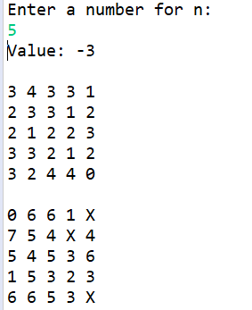
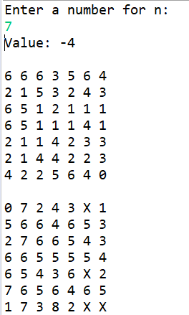
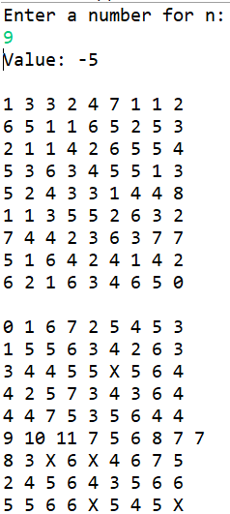
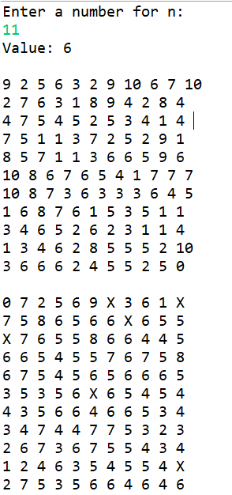
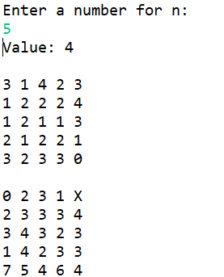
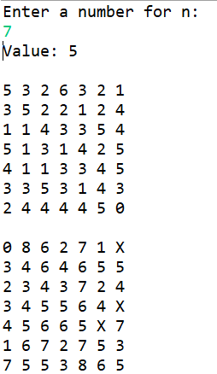
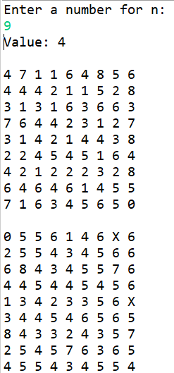
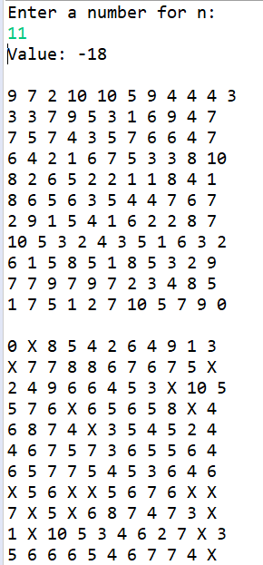
task 1
Environment | N by N grid | Task 2 and 3
State Space | N by N Array of Nodes
Actions | a valid move on grid
Perception/Observation | current position on the grid
Tranistion Function | move piece how many cells in a direction according to number in cell
 | update state by moving current cell to destination cell
Evaluation Metric | Positive evaluation: if goal is reached
 | Negative evaluation: if goal can't ever be reached

Evaluation Data for SPFA
SPF Runtime vs A* Runtime for n = 5, 7, 9, 11
n | puzzle value | SPF runtime (ms) | A* runtime (ms)
5 | 4 | 31038 | 1986847
5 | 2 | 7497 | 7948
5 | 3 | 24168 | 30562
SPF Runtime vs A* Runtime for Puzzle Values
5 | 2 | 10002 | 9478
5 | 4 | 23743 | 17183
5 | 2 | 11539 | 12324
5 | 4 | 30766 | 19552
5 | 5 | 33765 | 23410
5 | 3 | 13623 | 15439
5 | 3 | 11970 | 12073
5 | 5 | 36292 | 25705
5 | 3 | 25763 | 34280
5 | 5 | 19428 | 24080
5 | 7 | 14737 | 23204
5 | 2 | 6544 | 8621
5 | 2 | 5334 | 8406
5 | 4 | 11132 | 20688
5 | 4 | 15073 | 19014
5 | 4 | 113908 | 17725
5 | 5 | 10461 | 30123
5 | 2 | 5046 | 35641
5 | 3 | 8755 | 10160
5 | 5 | 9156 | 15694
5 | 4 | 15137 | 31167
5 | 4 | 15692 | 18600
5 | 3 | 7397 | 13471
5 | 4 | 15933 | 18279
5 | 4 | 10723 | 66101
5 | 5 | 17275 | 21379
5 | 2 | 5243 | 50652
5 | 4 | 8483 | 10802
5 | 5 | 11272 | 11409
5 | 5 | 9966 | 12238
5 | 6 | 11150 | 16625
5 | 4 | 6623 | 8824
5 | 7 | 9973 | 14644
5 | 4 | 7531 | 10116
5 | 5 | 11845 | 11550
5 | 3 | 6885 | 7999
5 | 4 | 7393 | 9644
5 | 4 | 6978 | 9319
5 | 7 | 10177 | 17415
5 | 4 | 6564 | 9252
5 | 3 | 5043 | 7580
5 | 4 | 9143 | 11399
5 | 2 | 2911 | 5025
5 | 6 | 10950 | 13571
5 | 2 | 2900 | 4834
5 | 4 | 8660 | 10162
5 | 4 | 12419 | 10687
7 | 3 | 6131 | 9268
7 | 5 | 12650 | 13052
7 | 4 | 11337 | 11401
7 | 10 | 20726 | 23227
7 | 3 | 6460 | 10037
7 | 3 | 7193 | 23230
7 | 7 | 19989 | 16404
7 | 5 | 15454 | 13329
7 | 9 | 16928 | 19344
7 | 7 | 16779 | 14574
7 | 5 | 16974 | 13909
7 | 3 | 4814 | 7820
7 | 4 | 11623 | 11001
7 | 4 | 8210 | 11060
7 | 4 | 10572 | 9728
7 | 3 | 5965 | 10548
7 | 5 | 16219 | 27568
7 | 6 | 19305 | 15618
7 | 3 | 5789 | 8327
7 | 4 | 9958 | 9907
7 | 5 | 16204 | 13503
7 | 5 | 20678 | 28538
7 | 8 | 34149 | 1993187
7 | 3 | 38656 | 32362
7 | 7 | 18765 | 18552
7 | 10 | 27130 | 21413
7 | 5 | 17077 | 13394
7 | 4 | 15162 | 12350
7 | 4 | 19551 | 13290
7 | 8 | 25093 | 26198
7 | 7 | 31720 | 17735
7 | 7 | 27226 | 18581
7 | 3 | 8216 | 11401
7 | 3 | 7405 | 11492
7 | 5 | 29237 | 20763
7 | 3 | 7071 | 9601
7 | 6 | 14420 | 73235
7 | 6 | 19492 | 12004
7 | 6 | 15789 | 17279
7 | 7 | 14574 | 9695
7 | 4 | 9351 | 6874
7 | 5 | 15087 | 17914
7 | 6 | 15211 | 30279
7 | 5 | 21267 | 12983
7 | 4 | 12669 | 11288
7 | 4 | 9878 | 9534
7 | 4 | 15359 | 27604
7 | 4 | 12003 | 9588
7 | 5 | 22170 | 10662
7 | 6 | 28842 | 11840
9 | 5 | 21627 | 11301
9 | 5 | 24060 | 12659
9 | 2 | 7965 | 9809
9 | 7 | 34442 | 13735
9 | 4 | 14432 | 9415
9 | 7 | 30988 | 12795
9 | 5 | 15416 | 8356
9 | 5 | 11797 | 7505
9 | 7 | 25756 | 8424
9 | 6 | 27298 | 8158
9 | 7 | 26731 | 16950
9 | 5 | 23956 | 7235
9 | 8 | 29768 | 12112
9 | 4 | 10672 | 9774
9 | 5 | 13737 | 7555
9 | 5 | 15521 | 9014
9 | 6 | 44431 | 18162
9 | 8 | 72928 | 17805
9 | 4 | 17214 | 13447
9 | 3 | 11041 | 9086
9 | 7 | 21750 | 24103
9 | 5 | 18790 | 11733
9 | 4 | 12009 | 9906
9 | 2 | 6277 | 7240
9 | 6 | 28836 | 14843
9 | 4 | 13079 | 10177
9 | 5 | 24576 | 11518
9 | 7 | 30048 | 18403
9 | 5 | 26000 | 9990
9 | 7 | 24922 | 11195
9 | 7 | 36291 | 11864
9 | 7 | 32739 | 23958
9 | 5 | 27039 | 11336
9 | 5 | 37247 | 11125
9 | 3 | 5429 | 68638
9 | 4 | 18190 | 7469
9 | 7 | 21228 | 7980
9 | 8 | 28478 | 10457
9 | 6 | 11096 | 6219
9 | 7 | 19643 | 12432
9 | 5 | 15803 | 6614
9 | 5 | 17382 | 6276
9 | 3 | 7200 | 4539
9 | 5 | 25495 | 6480
9 | 5 | 15596 | 5815
9 | 5 | 16430 | 7474
9 | 3 | 6149 | 4692
9 | 7 | 24809 | 7723
9 | 5 | 15048 | 5902
9 | 10 | 27302 | 12130
11 | 8 | 36160 | 8502
11 | 6 | 26123 | 7415
11 | 6 | 30084 | 7241
11 | 4 | 9190 | 5988
11 | 5 | 18132 | 7890
11 | 7 | 36123 | 7737
11 | 8 | 34871 | 8077
11 | 7 | 38069 | 10939
11 | 8 | 29081 | 8915
11 | 6 | 23180 | 8566
11 | 4 | 14048 | 5743
11 | 8 | 32525 | 12333
11 | 5 | 12527 | 7074
11 | 6 | 43440 | 7629
11 | 11 | 11555 | 14583
11 | 10 | 11392 | 11876
11 | 6 | 5396 | 7554
11 | 5 | 2350 | 6526
11 | 5 | 5905 | 6080
11 | 5 | 7725 | 5944
11 | 4 | 2036 | 5855
11 | 6 | 4637 | 8859
11 | 8 | 10441 | 8429
11 | 6 | 8895 | 8986
11 | 6 | 8589 | 6301
11 | 12 | 11330 | 12503
11 | 5 | 4763 | 6415
11 | 6 | 6445 | 6865
11 | 6 | 8985 | 8016
11 | 5 | 5777 | 6129
11 | 8 | 10827 | 7499
11 | 7 | 9179 | 6843
11 | 8 | 10996 | 9581
11 | 6 | 4507 | 7031
11 | 5 | 5422 | 5750
11 | 5 | 6916 | 6015
11 | 6 | 9926 | 16439
11 | 4 | 3815 | 9466
11 | 9 | 15637 | 49497
11 | 4 | 8890 | 11477
11 | 5 | 10484 | 11848
11 | 5 | 5713 | 10525
11 | 6 | 8321 | 11883
11 | 7 | 15119 | 14602
11 | 4 | 4297 | 10495
11 | 6 | 12832 | 11518
11 | 4 | 4858 | 61514
11 | 7 | 16316 | 12357
11 | 8 | 16622 | 14895
11 | 9 | 16914 | 6354

Evaluation Data for HCPop
n | Initial Puzzle Value | Runtime in s | Hill Climbing Final Value | Population Algorithm Best Output
5 | 5 | 15 | 10 | 5
5 | 3 | 0 | 7 | 4
Hill Climbing vs Population Algorithm Final Puzzle Values for Similar Runtime
5 | 3 | 1 | 9 | 4
5 | 2 | 0 | 10 | 4
5 | 4 | 1 | 7 | 10
5 | 2 | 0 | 8 | 4
5 | 2 | 1 | 5 | 10
Hill Climbing vs Population Algorithm Final Puzzle Values for n = 5, 7, 9, 11
5 | 2 | 0 | 9 | 7
5 | 4 | 1 | 8 | 4
5 | 3 | 0 | 5 | 8
5 | 4 | 1 | 6 | 5
5 | 4 | 0 | 6 | 4
5 | 5 | 1 | 6 | 10
5 | 4 | 0 | 6 | 3
5 | 3 | 1 | 11 | 8
5 | 5 | 0 | 7 | 3
5 | 2 | 1 | 8 | 8
5 | 4 | 0 | 5 | 4
5 | 2 | 1 | 10 | 8
5 | 4 | 0 | 9 | 4
5 | 7 | 0 | 10 | 6
5 | 4 | 1 | 6 | 7
5 | 4 | 0 | 12 | 4
5 | 3 | 0 | 7 | 3
5 | 5 | 0 | 7 | 8
5 | 3 | 0 | 10 | 5
5 | 2 | 0 | 7 | 10
5 | 3 | 0 | 7 | 5
5 | 5 | 0 | 11 | 6
5 | 2 | 0 | 8 | 5
5 | 3 | 0 | 5 | 6
5 | 3 | 1 | 6 | 12
5 | 3 | 0 | 5 | 4
5 | 3 | 0 | 5 | 7
5 | 6 | 0 | 7 | 6
5 | 8 | 0 | 8 | 8
5 | 4 | 0 | 5 | 7
5 | 4 | 0 | 5 | 3
5 | 5 | 0 | 9 | 5
5 | 3 | 0 | 9 | 6
5 | 3 | 0 | 7 | 4
5 | 4 | 1 | 6 | 8
5 | 4 | 0 | 6 | 6
5 | 5 | 0 | 8 | 5
5 | 2 | 1 | 10 | 9
5 | 3 | 0 | 11 | 6
5 | 4 | 0 | 8 | 4
5 | 2 | 1 | 7 | 6
5 | 3 | 0 | 5 | 6
5 | 4 | 0 | 7 | 5
7 | 4 | 1 | 6 | 7
7 | 2 | 0 | 19 | 6
7 | 5 | 1 | 8 | 8
7 | 5 | 0 | 12 | 7
7 | 5 | 0 | 8 | 6
7 | 4 | 0 | 8 | 5
7 | 6 | 1 | 8 | 6
7 | 3 | 0 | 10 | 6
7 | 7 | 0 | 11 | 7
7 | 2 | 1 | 2 | 7
7 | 6 | 0 | 11 | 6
7 | 3 | 1 | 5 | 8
7 | 4 | 0 | 11 | 5
7 | 7 | 1 | 9 | 6
7 | 4 | 0 | 9 | 7
7 | 2 | 1 | 8 | 9
7 | 5 | 0 | 13 | 8
7 | 4 | 1 | 8 | 10
7 | 6 | 0 | 8 | 6
7 | 3 | 1 | 5 | 8
7 | 4 | 0 | 7 | 7
7 | 6 | 0 | 8 | 5
7 | 5 | 1 | 12 | 7
7 | 4 | 0 | 6 | 6
7 | 5 | 1 | 9 | 6
7 | 3 | 0 | 5 | 8
7 | 4 | 1 | 10 | 6
7 | 2 | 1 | 8 | 7
7 | 6 | 0 | 8 | 8
7 | 4 | 1 | 8 | 8
7 | 3 | 0 | 6 | 5
7 | 4 | 1 | 5 | 10
7 | 3 | 1 | 9 | 7
7 | 5 | 0 | 10 | 5
7 | 3 | 1 | 6 | 5
7 | 4 | 0 | 12 | 7
7 | 7 | 1 | 12 | 7
7 | 4 | 0 | 6 | 9
7 | 5 | 1 | 14 | 6
7 | 8 | 0 | 11 | 6
7 | 3 | 0 | 6 | 6
7 | 8 | 1 | 13 | 10
7 | 2 | 0 | 7 | 9
7 | 4 | 1 | 6 | 9
7 | 4 | 0 | 6 | 7
7 | 6 | 1 | 6 | 6
7 | 5 | 0 | 11 | 7
7 | 4 | 1 | 6 | 5
7 | 7 | 0 | 12 | 9
7 | 5 | 1 | 8 | 5
9 | 6 | 0 | 11 | 8
9 | 8 | 1 | 10 | 7
9 | 9 | 0 | 14 | 6
9 | 6 | 0 | 9 | 8
9 | 3 | 1 | 7 | 9
9 | 7 | 0 | 9 | 6
9 | 4 | 2 | 9 | 8
9 | 7 | 0 | 9 | 10
9 | 7 | 1 | 11 | 8
9 | 4 | 0 | 4 | 8
9 | 3 | 0 | 7 | 8
9 | 7 | 1 | 7 | 7
9 | 5 | 1 | 14 | 7
9 | 6 | 0 | 7 | 7
9 | 9 | 1 | 16 | 7
9 | 5 | 1 | 9 | 8
9 | 3 | 1 | 3 | 7
9 | 6 | 1 | 11 | 7
9 | 7 | 0 | 7 | 6
9 | 8 | 0 | 13 | 7
9 | 3 | 1 | 9 | 8
9 | 8 | 1 | 8 | 7
9 | 4 | 1 | 6 | 6
9 | 5 | 0 | 9 | 5
9 | 5 | 1 | 8 | 9
9 | 4 | 1 | 6 | 6
9 | 3 | 1 | 7 | 6
9 | 8 | 1 | 10 | 7
9 | 6 | 0 | 8 | 9
9 | 3 | 1 | 8 | 9
9 | 8 | 1 | 9 | 6
9 | 6 | 1 | 13 | 6
9 | 2 | 1 | 15 | 7
9 | 5 | 0 | 8 | 6
9 | 5 | 0 | 11 | 9
9 | 5 | 1 | 6 | 6
9 | 9 | 0 | 9 | 6
9 | 6 | 0 | 8 | 7
9 | 5 | 1 | 8 | 7
9 | 9 | 0 | 11 | 7
9 | 6 | 0 | 8 | 8
9 | 5 | 1 | 6 | 8
9 | 3 | 0 | 5 | 7
9 | 5 | 0 | 9 | 6
9 | 8 | 1 | 9 | 6
9 | 6 | 0 | 10 | 9
9 | 3 | 1 | 7 | 8
9 | 6 | 0 | 6 | 8
9 | 6 | 1 | 11 | 5
9 | 5 | 1 | 9 | 8
11 | 6 | 1 | 10 | 9
11 | 9 | 1 | 9 | 8
11 | 4 | 0 | 8 | 7
11 | 5 | 1 | 10 | 5
11 | 7 | 2 | 16 | 11
11 | 5 | 1 | 13 | 8
11 | 4 | 2 | 6 | 6
11 | 7 | 1 | 10 | 6
11 | 3 | 1 | 4 | 10
11 | 7 | 1 | 7 | 11
11 | 5 | 1 | 6 | 9
11 | 4 | 2 | 6 | 7
11 | 8 | 2 | 11 | 8
11 | 2 | 1 | 2 | 8
11 | 6 | 1 | 9 | 8
11 | 5 | 1 | 5 | 9
11 | 8 | 1 | 9 | 9
11 | 6 | 1 | 10 | 7
11 | 6 | 1 | 9 | 8
11 | 5 | 1 | 7 | 6
11 | 2 | 1 | 2 | 8
11 | 3 | 1 | 9 | 7
11 | 6 | 2 | 12 | 7
11 | 7 | 1 | 9 | 9
11 | 8 | 0 | 10 | 9
11 | 3 | 1 | 9 | 8
11 | 5 | 1 | 7 | 9
11 | 4 | 2 | 9 | 7
11 | 8 | 1 | 16 | 9
11 | 5 | 1 | 6 | 10
11 | 4 | 1 | 4 | 8
11 | 6 | 0 | 6 | 8
11 | 2 | 1 | 2 | 8
11 | 6 | 1 | 6 | 10
11 | 8 | 0 | 8 | 11
11 | 5 | 1 | 10 | 6
11 | 4 | 1 | 4 | 7
11 | 2 | 1 | 11 | 10
11 | 5 | 1 | 10 | 8
11 | 7 | 1 | 8 | 10
11 | 9 | 1 | 11 | 12
11 | 4 | 1 | 4 | 7
11 | 6 | 1 | 13 | 9
11 | 5 | 1 | 10 | 10
11 | 5 | 1 | 7 | 7
11 | 6 | 0 | 9 | 5
11 | 7 | 1 | 7 | 8
11 | 2 | 1 | 5 | 8
11 | 4 | 1 | 5 | 8
11 | 8 | 1 | 9 | 5

Population Data
Average Change in Puzzle Value vs. Allowed Runtime for Population Algorithm
 | n
Runtime | 5 | 7 | 9 | 11
0.1 | 1.24 | 0.44 | 0.42 | 0.34
0.2 | 1.88 | 0.58 | -0.08 | 0.58
0.3 | 1.94 | 0.96 | 0.56 | 0.46
0.4 | 1.82 | 0.62 | 0.74 | 0.24
0.5 | 1.44 | 0.94 | 0.14 | 0.8
0.6 | 2.1 | 1.32 | 0.7 | 0.46
0.7 | 1.9 | 0.5 | 0.24 | 0.76
0.8 | 2.06 | 0.88 | 1.12 | 0.78
0.9 | 2.74 | 0.7 | 0.48 | 0.14
1 | 1.84 | 1.36 | 0.86 | 0.62
1.1 | 2.02 | 1.2 | 0.48 | 1.02

Average Change in Puzzle Value vs. Allowed Runtime for Population Algorithm
Runtime | 5 | 7 | 9 | 11
0.01 | 1.44 | 0.78 | -0.26 | -0.3
0.02 | 1.7 | 0.48 | -0.26 | 0.42
0.03 | 1.36 | 0.56 | -0.08 | 0.18
0.04 | 1.3 | 0.54 | 0.2 | 0.76
0.05 | 1.32 | 0.48 | 0.34 | 0.3
0.06 | 1.36 | 0.8 | 0.26 | 0.08
0.07 | 1.04 | 0.88 | 0.46 | 0.08
0.08 | 1.6 | 1.2 | 0.44 | 0.48
0.09 | 1.28 | 0.7 | 0.28 | 0.74
0.1 | 1.72 | 1.12 | 0.64 | -0.32

Hill Climbing Data
 | N
Iterations | 5 | 7 | 9 | 11
10 | 0.68 | 0.46 | 0.46 | 0.18
20 | 0.98 | 0.88 | 0.48 | 0.36
Average Change in Puzzle Value vs. Number of Hill Climbing Iterations
30 | 1.66 | 1.74 | 1.08 | 0.54
40 | 1.78 | 1.6 | 1.04 | 1.32
50 | 2.36 | 2.32 | 1.4 | 1.62
60 | 2.3 | 2.96 | 1.5 | 1.8
70 | 3.04 | 2.58 | 2.44 | 2.04
80 | 3.52 | 3.44 | 2.7 | 1.86
90 | 3.82 | 3.36 | 2.12 | 1.78
100 | 4.08 | 3.28 | 4.1 | 2.02
110 | 3.8 | 4 | 2.76 | 2.9
120 | 3.94 | 4.18 | 3.16 | 2.12
130 | 4.02 | 4.48 | 2.94 | 2.9
140 | 4.62 | 4.18 | 3.78 | 2.5
150 | 4.2 | 5.54 | 4.26 | 2.98
160 | 5.7 | 5.66 | 4.46 | 2.64
170 | 4.56 | 6.94 | 5.1 | 3.02
180 | 4.6 | 5.92 | 5.14 | 3.58
190 | 5.18 | 7.04 | 4.42 | 3.48
200 | 5.8 | 7.7 | 4.76 | 3.94

